Questions
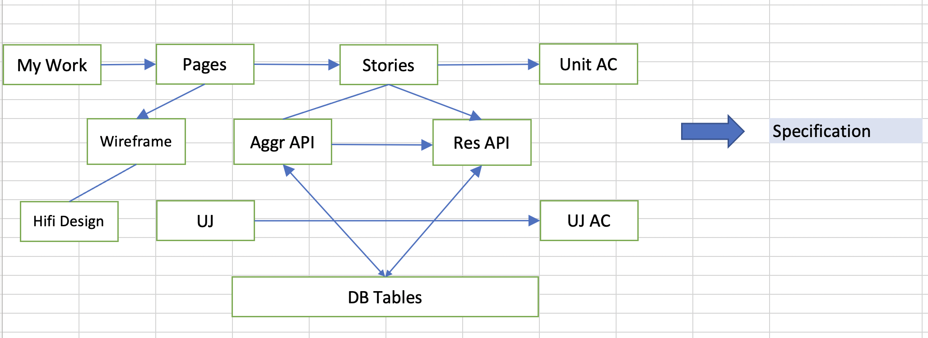
Question
Can you identify rows in WBS that represents your allocated work in THIS week?
Can you identify the Page Names and Story Names from the WBS?
Do you know how to find out the wireframes associated with your tasks?
Do you know how to find out related hi-fi design?
If you do not find the wireframe or hi-fi design, how will you find out?
Do you know how to find out related stories in the MM? - and the page context?
Do you know the context of User Journey for the story?
Do you know how to find Acceptance Criteria related to your Story or Page or UJ?
Do you know what are the page validation rules, drop-down dependencies?
Do you know what are the data related AC? (storage, retrieval, aggregation, sorting, row filtering…)
Have you asked QA to add more AC to this list? (you will know more than the QA because you are writing the code)
Will the UI of your story call single aggregate API or multiple individual resource APIs? (both GET and POST - relevant to your task)
Do you know what are the request/response parameters?
Do you know the names of the resources (entities or tables) from which data will be fetched and which columns/rows will be filtered?
Do you know the names of the resources (entities or tables) to which data will be written and which columns/rows will be written?
is there an ER Diagram that explains the table relationships?
Do you know which 3rd party (example: ECC) apis need to be called? Their Request/Response pairs?
Do you know who (programmers) are dependent on you?
Do you know on whom you depend?
Do you see any technical risks that are yet unresolved?
Can this audit list be improved with additional questions? (especially related to testing of the business rules)
Can this audit list be improved by changing wording of some questions?
Have you written a "specifications" document? If yes, does it answer all the above questions?
Do you know the process of verification of stories with QA, before you deliver build it to them?
Do you know about the GIT branching strategy?
Do you know about the CI/CD or deployment process?

